Cover Sheet
Top Level Eng Specification |  | CMD-D.L00.00.C "Aprevo ALIF-X" Rev 15 |  |  |  |  |  | Inspection Record # | (XXXX) PO # Lot # Final Insp

Part # |  | {{Item 1}} | {{Item 10}} | Customer Lot # | {{Lot Number}} |  |  | Total Part Qty | {{Total Quantity}}
 |  | {{Item 2}} | {{Item 11}}
 |  | {{Item 3}} | {{Item 12}}
 |  | {{Item 4}} | {{Item 13}}
 |  | {{Item 5}} | {{Item 14}}
 |  | {{Item 6}} | {{Item 15}}
 |  | {{Item7}} | {{Item 16}}
 |  | {{Item 8}} | {{Item 17}}
 |  | {{Item 9}} | {{Item 18}}
Master Job # |  | {{Job Number}} |  | Traveler # |  |  |  | Date Inspected
Notes

ID | Inspection Criteria | Inspection Method or Tool | Nominal Spec Value & Tolerance | Drawing Sheet | Zone / Note | AQL Level or 100% | Inspection Qty | Rejected Qty | Notes
1 | Perform line clearance | Visual | Pass / Fail | N/A | N/A | 100% |  |  | N/A
2 | Verify lot count | Visual | Pass / Fail | N/A | N/A | 100% |  |  | N/A
3 | Verify parts are free from visible damage, defects, cracks, & burrs | Visual | Pass / Fail | N/A | N/A | 100% |  |  | N/A
4 | Verify parts are clean (free from debris & contamination) | Visual | Pass / Fail | N/A | N/A | 100% |  |  | N/A
5 | Ensure Support Peaks are very small (< 0.25mm) | Visual | Pass / Fail | 1 | Note 10 | 100% |  |  | N/A
6 | Confirm that the parts are marked properly per CMD-Dwg-0012 and the Purchase Order | Visual | Pass / Fail | 1 | Note 16 | 100% |  |  | N/A
7 | Angle "F" is present or not present | Visual | Pass / Fail | 4 | B4-1 | 100% |  |  | See corresponding FORM-019 (part description) for angle requirements
8 | Dim A | Caliper | See Form F-825-229 for Patient-Specific Dimensions by Part Number ± 0.50mm | 1 | D1-3, 1-2 | 100% |  |  | Record measurements on the "Measurement Sheet" tab
9 | Dim B | Calipers | See Form F-825-229 for Patient-Specific Dimensions by Part Number ± 0.50mm | 1 | D1-2 | 100% |  |  | Record measurements on the "Measurement Sheet" tab
10 | Dim C | Keyence | See Form F-825-229 for Patient-Specific Dimensions by Part Number ± 0.50mm | 1 | C1-2 | 100% |  |  | Record measurements on the "Measurement Sheet" tab

11 | Left (THRU) | Go Gauge Alif-X Screw Tube | Ø5.75 ± 0.10mm | 1 | B1-3 | 100% |  |  | N/A
12 | Center (THRU) | Go Gauge Alif-X Screw Tube | Ø5.75 ± 0.10mm | 1 | B1-3 | 100% |  |  | N/A
13 | Right (THRU) | Go Gauge Alif-X Screw Tube | Ø5.75 ± 0.10mm | 1 | B1-3 | 100% |  |  | N/A
14 | Left (PROFILE) | Go Gauge Alif-X Screw Profile | Use Go Gauge to verify screw profile | 1 | B1-3 | 100% |  |  | N/A
15 | Center (PROFILE) | Go Gauge Alif-X Screw Profile | Use Go Gauge to verify screw profile | 1 | B1-3 | 100% |  |  | N/A
16 | Right (PROFILE) | Go Gauge Alif-X Screw Profile | Use Go Gauge to verify screw profile | 1 | B1-3 | 100% |  |  | N/A
17 | Right Cam Major | The "Go" end of the T25 "Go/NoGo" | Ø5.00 ± 0.15 mm | 1 | A1-2; B1-2, 1-1 | 100% |  |  | N/A
18 | Left Cam Major | The "Go" end of the T25 "Go/NoGo" | Ø5.00 ± 0.15 mm | 1 | A1-2; B1-2, 1-1 | 100% |  |  | N/A
19 | Right Cam Minor | Metric Pin Gauge | Ø3.40 ± 0.15 mm | 1 | A1-2; B1-2, 1-1 | 100% |  |  | Record the measurements on the "Measurement Sheet" tab
20 | Left Cam Minor | Metric Pin Gauge | Ø3.40 ± 0.15 mm | 1 | A1-2; B1-2, 1-1 | 100% |  |  | Record the measurements on the "Measurement Sheet" tab
21 | Thread(s) Properly Formed | Threaded "Go" end of the Gauge (only) | Use the "GO" end of a threaded M4x0.7 Gauge | 1 | N/A | 100% |  |  | N/A
22 | Thread(s) Properly Formed | Metric Pin Gauge | Ø4.70 ± 0.10 mm | 1 | B1-2, C1-2 | 100% |  |  | If the part has a thread angle requirement, the implant will not meet this criteria and can still be accepted. Refer to Form-019 (part description) to verify if thread angle requirement is present. If thread angle is not mentioned, proceed with the pin gauge inspection. Record the measurements on the "Measurement Sheet" tab if applicable.
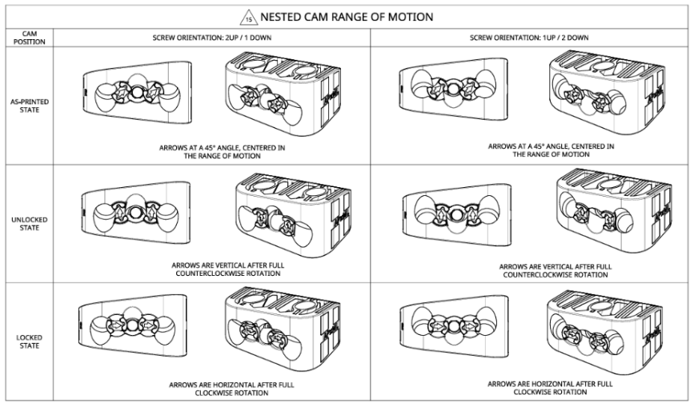

23 | Left and Right Cam Range of Motion (90°) | T25 Screwdriver | Functional | 1, 2 | Note 14 | 100% |  |  | *Rotate L/R cams to "locked" state to confirm that cams can reach ~90deg CAMS ROTATE CLOCKWISE TO LOCK AND COUNTERCLOCKWISE TO UNLOCK *Arrows are vertical in unlocled state and horizontal at locked state
24 | CAMs in "As-Printed" State in preparation for passivation | N/A | Turn both CAMs (L/R) to the "AS-PRINTED" state | 1, 2 | Note 14 | 100% |  |  | *Arrows are at a 45 degree angle at the "as-printed" state

 | Inspection Tool | Equipment # | Cal Due Date |  | Lot Size | < 8 | 8 to 90 | 91 to 150 | 151 to 280 | 281 to 500 | Over 500
 | Calipers
 | Keyence |  |  |  | 1.5 AQL Sample Size* | 100% | 8 | 12 | 19 | 21 | Contact QA
 | Small Metric Pin Gauge Set
 | Go Gauge Alif-X Screw Tube
 | Go Gauge Alif-X Screw Profile |  |  |  | *All AQL sampled parts must meet acceptance criteria or 100% inspection is required.
 | T25 Go/NoGo
 | M4 x 0.70 Thread Gauge

 | _________________________________________________________________
 | Inspected by:

 | Form Revision History (F-825-176)
 | Rev | DCO # | Effective Date | Description of Change
 | M | DCO-105 | 26Aug2025 | Update to new format F-825-1000C, add note in inspection criteria ID 22 to verify thread angle requirement in Form-019.
 | L | 25-056 | 2025-05-22 | Update per drawing rev 15, removal of the second signature, removal of the warning limits
 | K | 25-012 | 2025-01-31 | Updated to drawing Rev 14 (no inspection changes), updated table sizing/formatting.
 | J | 24-072 | 2024-10-28 | Updated part number references to include ".C".
 | I | 24-068 | 2024-10-17 | Rev 13 drawing update.
 | H | 24-024 | 2024-03-28 | Rev 12 drawing update.
 | G | 24-006 | 2024-03-14 | Rev 11 drawing update. Inclusion of new custom pin gauges. Update of measurement tool table.
 | F. | 23-082 | 2024-01-08 | Clarify M4 inspection for "Go" gauge.
 | F | 23-082 | 2023-11-30 | Rev update 10; no impact to inspection criteria; add new company name

 | Template Revision History (F-825-1000)
 | Rev | DCO # | Effective Date | Description of Change
 | C | 25-051 | 21Apr2025 | Updated doc title, generally updated field sizing/locations, added SpiTrex 3D logo, added Inspection Record field, clarified instructional notes, added ID column, added "or 100%" to AQL heading, added Measurement Sheet, added rev history for forms, moved template number to footer
 | B | 25-033 | 19Mar2025 | Removal of the second signature, removal of the process control tolerance
 | A | 23-054 | 23Jul2023 | Initial Release with new numbering system (F-825-1XXX and F-825-2XXX)

